Quote
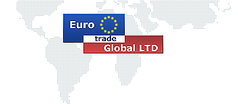

QUOTATION

1. PROFILE DRAWING:

 | MACHINE LAYOUT (Mobile units, Showed on trailer)
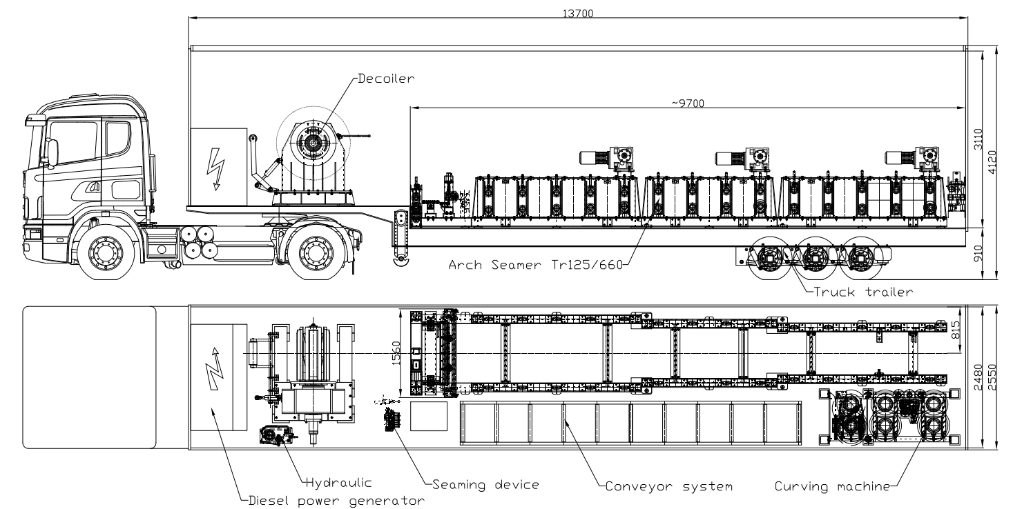

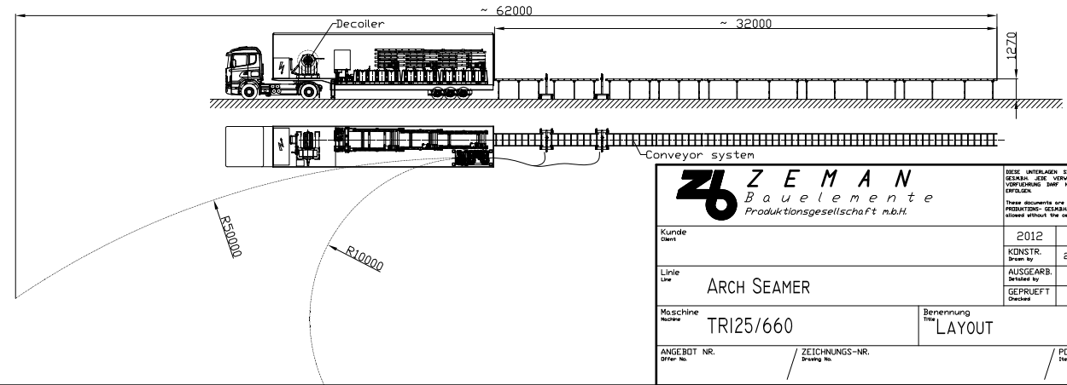

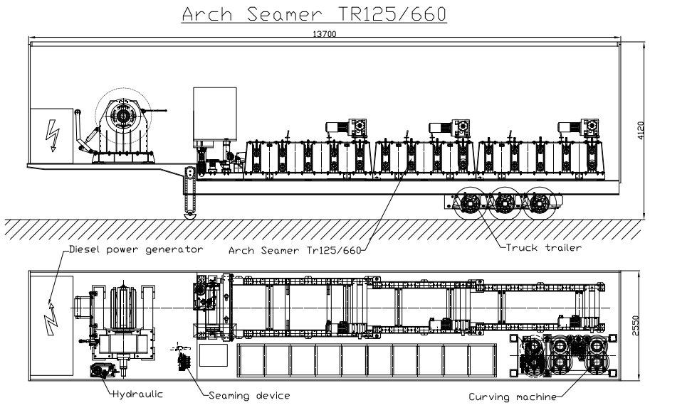

2. PRICE LIST:
NO. | NAME OF MACHINE | SPECIFICATION |  | Q'TY (SET) | PRICE (USD) | TOTAL (USD)
1 | (W) Roll Forming machine (EH model) | Total power: | ~30KW Transmisson: 15kw x 2 | 1 | 515,625 | 515,625
 |  | Weight of machine: | 14 tons
 |  | Dimension (L x W x H): | 9.7m x 1.6m x 1m
 |  | Forming speed: | 20 meters/min
 |  | Roller stations: | 16
 |  | Transmission system: | Electric motor and gear box
 |  | Pre-cutting | Hydraulic cylinder
 |  | Profile cutting | Not include
 |  | Control system: | PLC, HMI automatic programmable
 |  | Material thickness: | 1.0 - 1.5mm
 |  | Material width: | 1000mm
 |  | Material Yield Strength: | G300 – G450 Mpa
2 | (W) Curving machine (EH model) | Total power: | 7.5KW | 1 | 78,750 | 78,750
 |  | Weight of machine: | 3 tons
 |  | Dimension (L x W x H): | 2m x 0.9m 1.5m
 |  | Speed: | 20 meters/min
 |  | Roller stations: | 3
 |  | Transmission by | Electric motor gearbox
 |  | Curving radius | Min radius: 5m
3 | Uncoiler 06 Tons (UN-H6 Model) | Total power: | ~5.5KW | 1 | 19,688 | 19,688
 |  | Weight of machine: | 1.9 tons
 |  | Dimension (LxWxH) : | 2.6m x 1.2m x 1.5m
 |  | Speed : | 25 meters/min
 |  | Coil weight max : | 6 tons
 |  | Transmission by : | Hydraulic motor
 |  | Expansion : | Hydraulic cylinder
 |  | Coil width max : | 1000mm
 |  | Snubber | Including
4 | (W) Seaming machine | Weight | 30kg | 1 | 10,500 | 10,500
 |  | Speed | Max 15mpm
 |  | Transmission by | Electric motor gearbox
 |  | Material thickness | 1 - 1.5mm
5 | Run out table 3meters | Dimension (L): | 3m x 0.8m x 0.8m | 10 | 2,625 | 26,250
 |  | Weight | 0.5 tons
 | TOTAL :ex-works |  |  |  |  | 650,813
Valid to date : 30 days
Remarks : All specifications of machines as per enclosed

3. DELIVERY TIME :
 | Within 150 days after the Seller receive 30% of total invoice value payable by T/T as deposit.
4. TERMS OF PAYMENT :
 | - 30% of contract payable by T/T - LC as deposit after signing the contract. - 30% of contract payable by T/T after 45 days of deposit payment. - 40% of contract payable by T/T when machine is ready for shipment after inspection at the Seller's factory

5.TESTING MATERIALS:
 | The Buyer will supply coils for test run the machine in the Seller’s factory. In case the Seller prepare for materials, cost of materials will be charged to the Buyer’s account. The Seller will inform to the Buyer the quantity and specification of coils after signing the contract.
6. REQUIRE SHIPPING DOCUMENTS
 | 5.1 Full Set (3+3NNC) Clean on board of Bill of Lading 5.2 Signed Invoice in Three Original and Two Copies 5.3 Signed Packing List in Three original and Two Copies. 5.4 Certificate of Vietnam origin: 1 original and 01 copy. Buyer to pay for shipping, port fees, Tax if applicable
7.OPERATION AND MAINTENANCE MANUAL IN ENGLISH
 | Following Guidebook for the machines will be delivered along with the machine in English language. 6.1 Operation and maintenance manual 6.2 Detail electric circuit diagram of the machine 6.3 Full set of replacement spare part for machines.
8. INSTALLATION:
 | The sellers will appoint technician to Buyer’s factory for installing machines under request of the Buyer. The Buyer pays for air tickets to the Buyer’s factory, three stars hotel with air- conditioner and free internet, three meals per day during installing time and transportation fee from the hotel to the Buyer’s factory and salary for Seller’s technician is 200 USD per day.
9. TEST RUN AND INSTALLATION, GUARANTEE:
 | The machine is guaranteed for 12 months from the first successful installing date. - In case any damages of the machine caused by the manufacturer, the seller must send spare parts for free of charge and send technician to come and fix (the Seller will buy the international air ticket– the buyer still pay for local traveling, hotel, food ) - In case any damages of the machine caused by the buyer, the seller will send technician come to fix under request of the Buyer, the buyer must pay all cost of the trip and cost of the spare parts. - In case any damages of the machine happen out of the guarantee period, the seller will send technician come to fix under request of the Buyer, the buyer must pay all cost of the trip and cost of the spare parts and salary for Seller’s technician is 200 USD per day.
10. ARBITRATION:
 | All disputes arising from the execution of or in connection with this contract shall be settled amicably through friendly negotiation. In case no settlement can be reached through negotiation, the case shall then be submitted to the EU International Arbitration Court for arbitration in accordance with its provisional rules of procedure. The arbitral award is final and binding upon both parties. Arbiter ration fee shall be borne by the losing party.
11. ADDITIONAL CONDITIONS :
 | - All the amendments and addenda to the present contract are valid only on condition of being made in a written form and signed by both Parties. - This contract is made in English in 2 (two) copies, one copy for each Party, all texts being equally authentic. - This contract comes into effect from signing date.

